IF
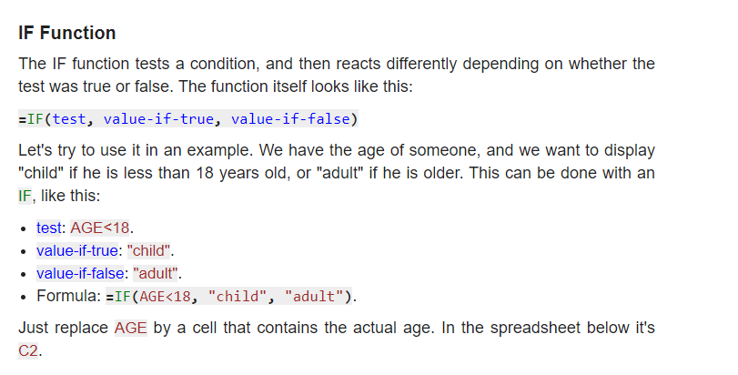
 |  |  |  |  |  |  |  |  |  |  |  |  |  |  |  |  |  |  |  | Child | Adult
IF function |  |  |  | >=90 | A+ |  | >=70 | B |  | >=50 | C |  | <50 | D

 |  |  | Name | A | B | C | D | E | F | G | H | I | J | K | L | M | N | IF
 | >=45 | Pass | Score | 49 | 56 | 65 | 66 | 35 | 42 | 67 | 74 | 25 | 50 | 88 | 92 | 44 | 78
 | <45 | Fail | IF | D | C | C | C | D | D | C | B | D | C | B | A+ | D | B | Age | 17
 |  |  | IF |  |  |  |  |  |  |  |  |  |  |  |  |  |  | Range | Child
 |  |  | Nested IF |  |  |  |  |  |  |  |  |  |  |  |  |  |  |  | Child
 |  |  | IFS | D | C | C | C | D | D | C | B | D | C | B | A+ | D | B

Notes

IF Statement can give output of one result of two conditions. |  |  |  |  |  |  |  |  |  |  |  |  |  |  |  |  |  | Nested IF

IF function has three arguments,
 |  |  |  |  |  |  |  |  |  |  |  |  |  |  |  |  |  | Age | 81
1) Logical Test |  |  |  |  |  |  |  |  |  |  |  |  |  |  |  |  |  | Range | Old
2) Value if True
3) Value if False
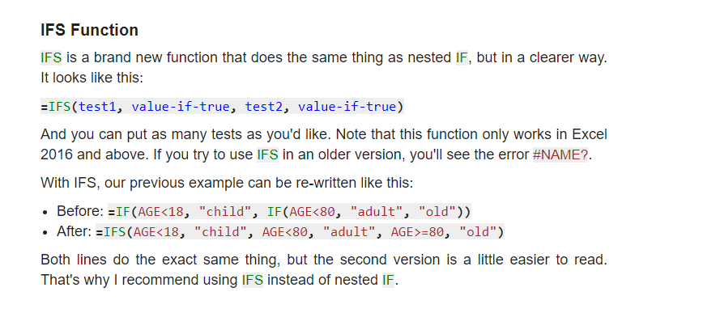
Output value can be text, number

 |  |  |  |  |  |  |  |  |  |  |  |  |  |  |  |  |  | IFS

 |  |  |  |  |  |  |  |  |  |  |  |  |  |  |  |  |  | Age | 56
 |  |  |  |  |  |  |  |  |  |  |  |  |  |  |  |  |  | Range | Adult

